Sheet1
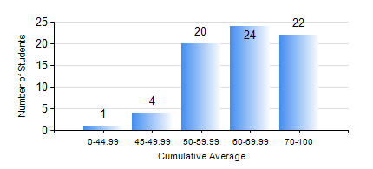
 |  |  | KWAME NKRUMAH UNIVERSITY OF SCIENCE AND TECHNOLOGY, KUMASI Department of Petroleum Engineering

 |  |  | BSC. PETROLEUM ENG.

 |  |  | COMPREHENSIVE RECORD OF EXAMINATION RESULTS

 |  |  | RESULTS OF YEAR 3 FIRST SEMESTER, 2019/2020 ACADEMIC YEAR

 | Sn | Course Code |  | Course Name | Credit Hours | Min. Mark | Max. Mark | Avg. Mark | Std. Dev. | No. Passed | No. Trailed | No. (Df) | No. (I) | No. (I*) | No. Tagged(I,I*,Df) | Total
 | 0. |  |  |  |  |  |  | 0 | 0 | 0 | 0 | 0 | 0 | 0 | 0 | 2
 | 1. | CHE 357 |  | EXPERIMENTAL DATA ANALYSIS | 3 | 45 | 97 | 81 | 10.35 | 69 | 0 | 0 | 0 | 0 | 0 | 69
 | 2. | GE 183 |  | PRINCIPLES OF LAND SURVEYING | 3 | 40 | 95 | 63 | 14.06 | 69 | 0 | 0 | 0 | 0 | 0 | 69
 | 3. | PETE 353 |  | FORMATION EVALUATION | 2 | 40 | 92 | 57 | 12.48 | 69 | 0 | 0 | 0 | 0 | 0 | 69
 | 4. | PETE 357 |  | RESERVOIR PETROPHYSICS | 3 | 41 | 94 | 74 | 14.3 | 69 | 0 | 0 | 0 | 0 | 0 | 69
 | 5. | PETE 359 |  | RESERVOIR ENGINEERING | 3 | 40 | 97 | 66 | 13.49 | 69 | 0 | 0 | 0 | 0 | 0 | 69
 | 6. | PETE 371 |  | INDUSTRIAL SAFETY AND ENVIRONMENTAL PROTECTION | 2 | 40 | 92 | 66 | 12.21 | 69 | 0 | 0 | 0 | 0 | 0 | 69
 | 7. | PETE 375 |  | PETROLEUM ENGINEERING LABORATORY I | 2 | 51 | 88 | 68 | 7.97 | 69 | 0 | 0 | 0 | 0 | 0 | 69

